LINQ to SQL Map
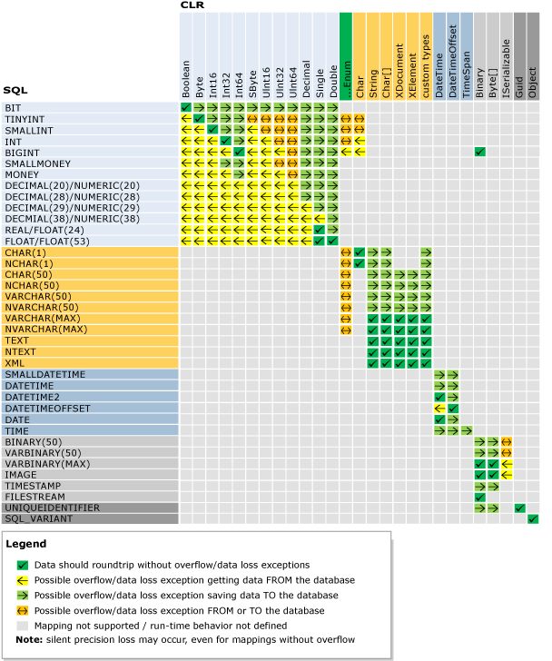

http://msdn.microsoft.com/en-us/library/bb386947(v=vs.110).aspx

<?xml version="1.0" encoding="utf-16"?> <xs:schema xmlns:xs="http://www.w3.org/2001/XMLSchema" targetNamespace="http://schemas.microsoft.com/linqtosql/mapping/2007" xmlns="http://schemas.microsoft.com/linqtosql/mapping/2007" elementFormDefault="qualified" > <xs:element name="Database" type="Database" /> <xs:complexType name="Database"> <xs:sequence> <xs:element name="Table" type="Table" minOccurs="0" maxOccurs="unbounded" /> <xs:element name="Function" type="Function" minOccurs="0" maxOccurs="unbounded" /> </xs:sequence> <xs:attribute name="Name" type="xs:string" use="optional" /> <xs:attribute name="Provider" type="xs:string" use="optional" /> </xs:complexType> <xs:complexType name="Table"> <xs:sequence> <xs:element name="Type" type="Type" minOccurs="1" maxOccurs="1" /> </xs:sequence> <xs:attribute name="Name" type="xs:string" use="optional" /> <xs:attribute name="Member" type="xs:string" use="optional" /> </xs:complexType> <xs:complexType name="Type"> <xs:sequence> <xs:choice minOccurs="0" maxOccurs="unbounded"> <xs:element name="Column" type="Column" minOccurs="0" maxOccurs="unbounded" /> <xs:element name="Association" type="Association" minOccurs="0" maxOccurs="unbounded" /> </xs:choice> <xs:element name="Type" type="Type" minOccurs="0" maxOccurs="unbounded" /> </xs:sequence> <xs:attribute name="Name" type="xs:string" use="required" /> <xs:attribute name="InheritanceCode" type="xs:string" use="optional" /> <xs:attribute name="IsInheritanceDefault" type="xs:boolean" use="optional" /> </xs:complexType> <xs:complexType name="Column"> <xs:attribute name="Name" type="xs:string" use="optional" /> <xs:attribute name="Member" type="xs:string" use="required" /> <xs:attribute name="Storage" type="xs:string" use="optional" /> <xs:attribute name="DbType" type="xs:string" use="optional" /> <xs:attribut

